Sheet2
Électricité : combien consomment les appareils de la maison ?
Appareils électriques : leur consommation en kWh et en euros
aquariums consumptions |  | size of aquariums
Modeling Energy Consumption of Residential Furnaces and Boilers in U.S. Homes |  |  |  |  | 20 kw info ? |  | how to calculate | energy per year | power calculation other way | another info |  | I found this datasheets
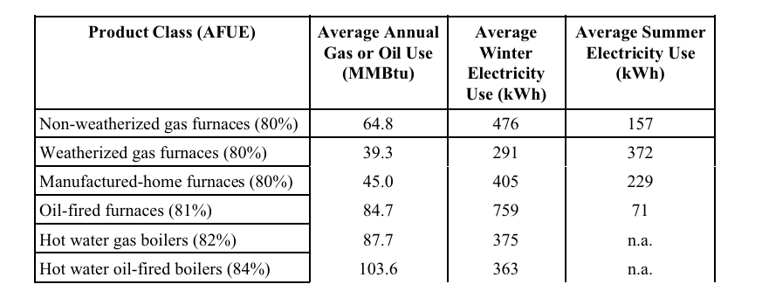
 |  |  |  | wooden boiler size | Power Consumption - Furnaces and Components |  |  | Quelle est la consommation électrique d'une chaudière à granulés ? |  |  | Suivi du fonctionnement des chaufferies bois de petites puissances

Heat pomp department of energy database |  |  | here is interesting free softwares |  |  | heat pump comparision |  | heat pump
water pump
energy calculator deep fryer | deep fryer
water heat pump

Quelle est la consommation d’électricité par personne dans un foyer ?
simulation for different devices

